Design Details
Sr No | Customer Name | Design Image | Design Name | Amount | Time Consumed (IN Hrs) | Rate Per hrs | Date | Total Amount
1 | Genius Tech Solution |  | 2 DIN FRONT COVER | 4200 | 12.00 | 350 |  | 4200
2 | Genius Tech Solution |  | 2 Din-Bin-AF | 4900 | 14.00 | 350 |  | 4900
3 | Genius Tech Solution |  | 2DIN BIN_L0395817AA | 3500 | 10.00 | 350 |  | 3500
4 | Genius Tech Solution |  | BOX COMP _GLOVE | 4550 | 13.00 | 350 |  | 4550
5 | Genius Tech Solution |  | LID | 3150 | 9.00 | 350 |  | 3150
6 | Genius Tech Solution |  | Mounting Rear | 5600 | 16.00 | 350 |  | 5600
7 | Genius Tech Solution |  | Loading_Aid_Active | 3500 | 10.00 | 350 |  | 3500
8 | Genius Tech Solution |  | Carrier Storage | 4900 | 14.00 | 350 |  | 4900
9 | Genius Tech Solution |  | Extension Centre Console-Active | 5600 | 16.00 | 350 |  | 5600
10 | Genius Tech Solution |  | Extension Centre Console - Style | 6300 | 18.00 | 350 |  | 6300
11 | Genius Tech Solution |  | Cover Console Guard | 7700 | 22.00 | 350 |  | 7700
12 | Genius Tech Solution |  | COVER LOCK CARRIER | 5250 | 15.00 | 350 |  | 5250 | s
13 | Genius Tech Solution |  | Meter Cluster | 6300 | 18.00 | 350 |  | 6300
14 | Siddhi Vinayak Fixtures |  | Console | 2100 | 6.00 | 350 | 2023-02-07 | 2100
15 | Siddhi Vinayak Fixtures |  | CoverSide_LH | 4200 | 12.00 | 350 | 19/06/2023 | 4200
16 | Siddhi Vinayak Fixtures |  | CoverSide_RH | 2800 | 8.00 | 350 |  | 2800
17 | Siddhi Vinayak Fixtures |  | Integrated Top Cell Holder_LH | 5250 | 15.00 | 350 |  | 5250
18 | Siddhi Vinayak Fixtures |  | Integrated Top Cell Holder_LH | 2800 | 8.00 | 350 |  | 2800
19 | Siddhi Vinayak Fixtures |  | Cover_Side_Holding_LH | 4900 | 14.00 | 350 |  | 4900
20 | Siddhi Vinayak Fixtures |  | Cover_Side_Holding_RH | 2800 | 8.00 | 350 |  | 2800
21 | Siddhi Vinayak Fixtures |  | BODY PANEL FRONT | 4200 | 12.00 | 350 |  | 4200
22 | Siddhi Vinayak Fixtures |  | Cover_Rh_Reclinger | 5600 | 16.00 | 350 |  | 5600
23 | Genius Tech Solution |  | Cover_Comp_IP_Speaker | 3200 | 8.00 | 400 | August | 3200
24 | Genius Tech Solution |  | Scupp_Side_Seal_Front_RH | 4800 | 12.00 | 400 | July | 4800
25 | Genius Tech Solution |  | MID PAD LOWER LH _Hard | 3200 | 8.00 | 400 | August | 3200
26 | Genius Tech Solution |  | MID PAD LOWER LH _Soft | 5200 | 13.00 | 400 | August | 5200
27 | Mg Fixtures |  | 1934_Rear_Liner_Fender_LH | 7700 | 22.00 | 350 | August | 7700
28 | Mg Fixtures |  | 1934_Rear_Liner_Fender_RH | 5950 | 17.00 | 350 | September | 5950
29 | Mg Fixtures |  | 3042-LIner_Fender_LH_RH | 7700 | 22.00 | 350 | October | 7700
30 | Mg Fixtures |  | 3041-LIner_Rear_RH | 8750 | 25.00 | 350 | November | 8750
31 | Mg Fixtures |  | 3041-LIner_Rear_LH | 6300 | 18.00 | 350 | December | 6300
32 | Mg Fixtures | 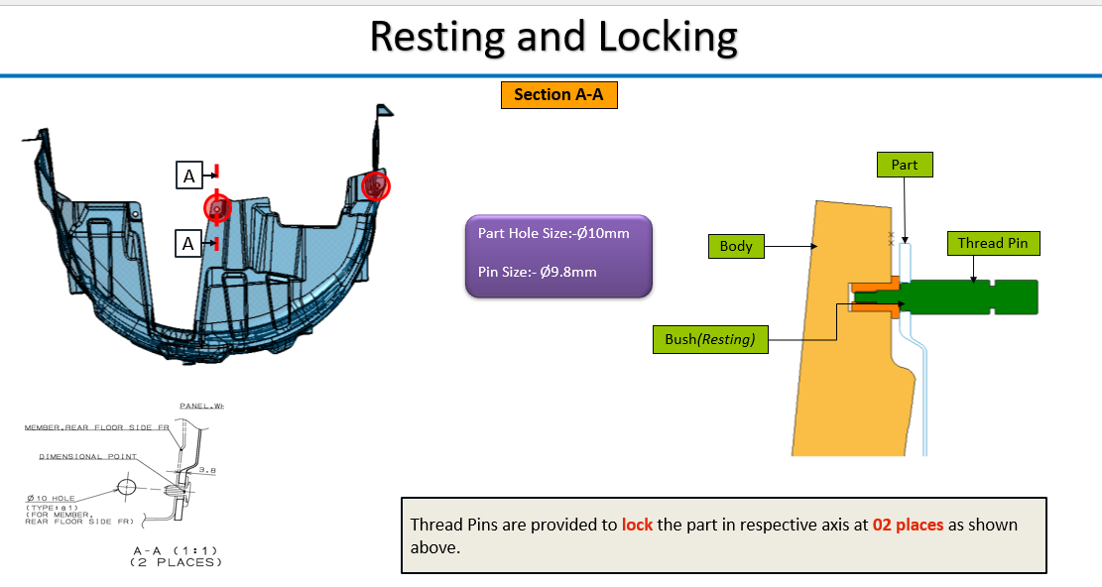 | Lining Rear Fender RH_(Concept) | 1400 | 4.00 | 350 | January | 1400
33 | Genius Tech Solution |  | ALL_SW_CF | 3200 | 8.00 | 400 |  | 3200
34 | Genius Tech Solution |  | Yed_Assembly_CF | 3600 | 9.00 | 400 |  | 3600
35 | Genius Tech Solution |  | Ornament_IP_Asst_73861-71U10_CF | 7200 | 18.00 | 400 |  | 7200
36 | Genius Tech Solution |  | Garnish_Center_1030032C_CF | 4000 | 10.00 | 400 |  | 4000
37 | Genius Tech Solution |  | LWR_COVER_PDL_CF | 4800 | 12.00 | 400 |  | 4800
38 | Genius Tech Solution |  | Upper_Side_Pannel_LH | 6000 | 15.00 | 400 |  | 6000
39 | Genius Tech Solution |  | SIDE PLASTIC LOWER PANEL | 4800 | 12.00 | 400 |  | 4800
40 | Genius Tech Solution |  | RR_Air_Duct_Lower | 3200 | 8.00 | 400 |  | 3200
41 | Genius Tech Solution |  | RR_Air_Duct_Upper | 3200 | 8.00 | 400 |  | 3200
42 | Genius Tech Solution |  | C-RAMP BRACKET | 1200 | 3.00 | 400 |  | 1200
43 | Genius Tech Solution |  | B-RAMP BRACKET | 1200 | 3.00 | 400 |  | 1200
44 | Genius Tech Solution |  | AIR BAG COVER | 3600 | 9.00 | 400 |  | 3600
45 | Genius Tech Solution |  | ST 3757-BASE | 3600 | 9.00 | 400 |  | 3600
46 | Genius Tech Solution |  | ST 3837-COVER SIDE 3& 4 | 5600 | 14.00 | 400 |  | 5600
47 | Genius Tech Solution |  | ST 3849-D47-F1611-00_FENDER_CF | 6400 | 16.00 | 400 |  | 6400
48 | Mg Fixtures |  | OB Plastic Main Assembly | 4000 | 10.00 | 400 |  | 4000
49 | Mg Fixtures |  | back Panel Main assembly | 4800 | 12.00 | 400 |  | 4800
50 | Genius Tech Solution |  | ST 3851-COVER SIDE 1_ 2_CF) | 8000 | 20.00 | 400 |  | 8000
51 | Mg Fixtures |  | Concept_Trim_Comp_Front_Pillar_RH | 1600 | 4.00 | 400 |  | 1600
52 | Mg Fixtures |  | Design&Ecn_Trim_Comp_Front_Pillar_RH | 7200 | 18.00 | 400 |  | 7200
53 | Mg Fixtures | 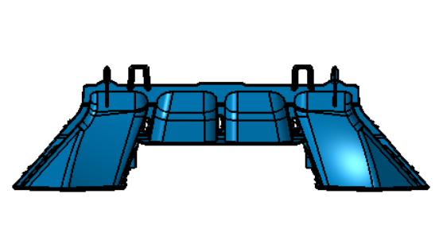 | 55990_Toyota_RHD_LHD_PART_2 | 1200 | 3.00 | 400 |  | 1200
54 | Mg Fixtures |  | Toyota_KK040_RHD_LHD_PART_1 | 1200 | 3.00 | 400 |  | 1200
55 | Mg Fixtures |  | Toyota_53807(8)-0K290(310)(330) | 1200 | 3.00 | 400 |  | 1200
56 | Mg Fixtures | 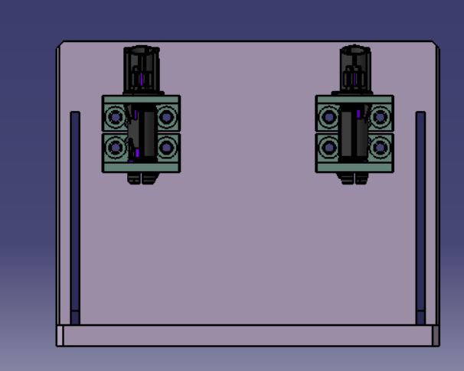 | 1R HR FIXTURE | 2000 | 5.00 | 400 |  | 2000
57 | Mg Fixtures |  | 2R CTR HR FIXTURE | 2000 | 5.00 | 400 |  | 2000
58 | Mg Fixtures |  | 2R OB HR | 2000 | 5.00 | 400 |  | 2000
59 | Mg Fixtures |  | ArmRest_Testing_Fixture | 2400 | 6.00 | 400 |  | 2400
60 | Mg Fixtures |  | Seat_Testing_Fixture | 4000 | 10.00 | 400 |  | 4000
61 | Mg Fixtures | 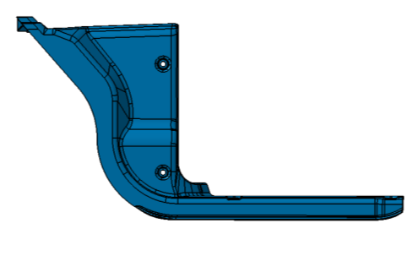 | Garnish_Front_Floor_Side | 1200 | 3.00 | 400 |  | 1200
62 | Mg Fixtures |  | Concept_Trim_Comp_Cntr_Pillar_Upper_LH | 2000 | 5.00 | 400 |  | 2000
63 | Mg Fixtures |  | Design_Trim_Comp_Cntr_Pillar_Upper_LH | 6000 | 15.00 | 400 |  | 6000
64 | Mg Fixtures |  | Buck_Fixture | 5200 | 13.00 | 400 |  | 5200
65 | siddhi Vinayak Fixtures |  | Bezel_HeadLamp_264181906369 | 3500 | 10.00 | 350 |  | 3500
66 | Siddhi Vinayak Fixtures |  | Bezel_HeadLamp_264181906370 | 700 | 2.00 | 350 |  | 700
67 | Siddhi Vinayak Fixtures |  | Fog_Lamp_Bezal_Front | 700 | 2.00 | 350 |  | 700
68 | Siddhi Vinayak Fixtures |  | M310_DUCT_20240625 | 1750 | 5.00 | 350 |  | 1750
69 | Siddhi Vinayak Fixtures |  | W610-AIR GUIDE AGS FRONT | 1750 | 5.00 | 350 |  | 1750
70 | Siddhi Vinayak Fixtures |  | Bumper | 7700 | 22.00 | 350 |  | 7700
71 | Siddhi Vinayak Fixtures |  | ADAPTER_DB_MTG_TOP_547668906341 | 1600 | 4.00 | 400 |  | 1600
72 | Siddhi Vinayak Fixtures |  | ADAPTER_DB_MTG_TOP_NO_HMI_547668906344 | 2000 | 5.00 | 400 |  | 2000
73 | Siddhi Vinayak Fixtures |  | PANEL_DB_LOWER_RH | 4000 | 10.00 | 400 |  | 4000
74 | Siddhi Vinayak Fixtures |  | SUPPORT_PLATE_GAP_HIDER | 1200 | 3.00 | 400 |  | 1200
75 | Siddhi Vinayak Fixtures |  | SPEAKER_GRILL | 2400 | 6.00 | 400 |  | 2400
76 | Siddhi Vinayak Fixtures |  | 547668906367_IP_TDKO 02_DR2_CLOSING_COVER_DB | 2400 | 6.00 | 400 |  | 2400
77 | Siddhi Vinayak Fixtures |  | Garnish_Front | 4000 | 10.00 | 400 |  | 4000
78 | Siddhi Vinayak Fixtures |  | Garnish_Rear | 4000 | 10.00 | 400 |  | 4000
79 | Genius Tech Solution |  | ST 3877-GUARD MUD | 3800 | 10.00 | 380 |  | 3800
80 | Genius Tech Solution |  | ST 3886-PROTECTOR MUFF | 3040 | 8.00 | 380 |  | 3040
81 | Genius Tech Solution | 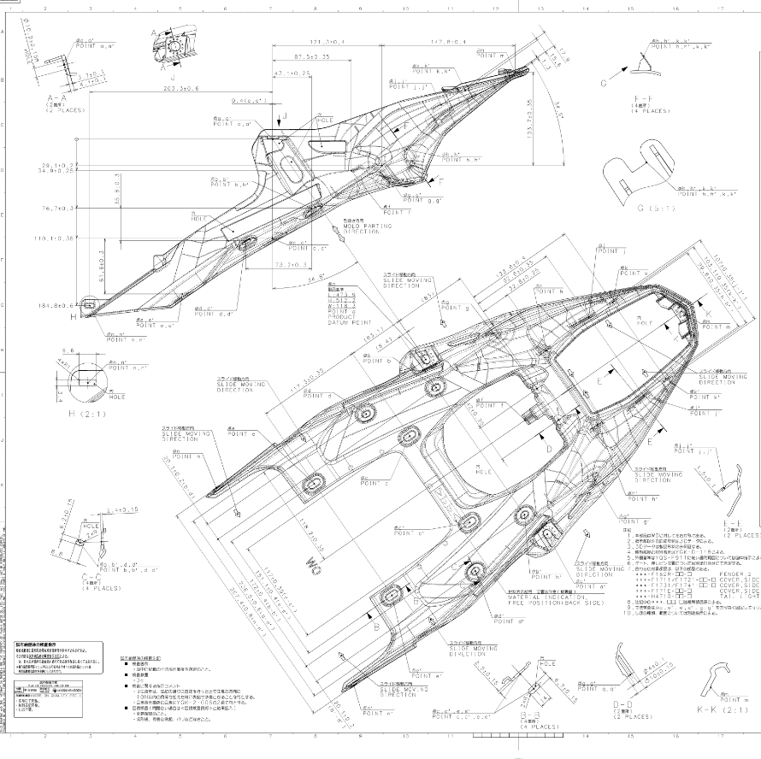 | ST 3887-FENDER | 3800 | 10.00 | 380 |  | 3800
82 | Genius Tech Solution |  | W610_CFS CAPSENSE MOUNTING | 0 | 0.00 | 380 |  | 0

